7-Level
Column1 | Column2 | Column3 | Column4 | Column5 | Column52 | Column6 | Column7 | Column8
Step | TransferID | Fidelity | RabiFreq | SweepRate | FreqTrans | FreqInit | FreqFinal | TotalTime
1 | 0 | 0.99882040542544 | RabiShelve1 | AlphaShelve1 | 3982050647.5 | FreqTrans - Delta | FreqTrans + Delta | 2*Delta/AlphaShelve1 | Delta
2 | 0 | 0.99884771116373 | RabiShelve2 | AlphaShelve2 | 3999321567.7 | FreqTrans - Delta | FreqTrans + Delta | 2*Delta/AlphaShelve2 | 1300000
3 | 0 | 0.99881959919827 | RabiShelve3 | AlphaShelve3 | 4016150785.6 | FreqTrans - Delta | FreqTrans + Delta | 2*Delta/AlphaShelve3
4 | 2 | 1 | OmegaHide1 | 0 | 8044335950 | 0 | 0 | Pi/OmegaHide1
5 | 2 | 1 | OmegaHide2 | 0 | 8031164238 | 0 | 0 | Pi/OmegaHide2
6 | 0 | 0.998835153741 | RabiShelve4 | AlphaShelve4 | 4102645765.2 | FreqTrans - Delta | FreqTrans + Delta | 2*Delta/AlphaShelve4
7 | 2 | 1 | OmegaHide3 | 0 | 8044335950 | 0 | 0 | Pi/OmegaHide3
8 | 0 | 0.99839081139349 | RabiShelve5 | AlphaShelve5 | 4106913075 | FreqTrans - Delta | FreqTrans + Delta | 2*Delta/AlphaShelve5
9 | 2 | 1 | OmegaHide4 | 0 | 8031164238 | 0 | 0 | Pi/OmegaHide4
10 | 0 | 0.99846491248735 | RabiShelve6 | AlphaShelve6 | 4114887145.5 | FreqTrans - Delta | FreqTrans + Delta | 2*Delta/AlphaShelve6
11 | 3 | 1 | 0 | 0 | 0 | 0 | 0 | 3.7e-05
12 | 1 | 0.99882054956258 | RabiShelve7 | AlphaShelve7 | 3982050647.5 | FreqTrans - Delta | FreqTrans + Delta | 2*Delta/AlphaShelve7
13 | 3 | 1 | 0 | 0 | 0 | 0 | 0 | 3.7e-05
14 | 1 | 0.99884800011184 | RabiShelve8 | AlphaShelve8 | 3999321567.7 | FreqTrans - Delta | FreqTrans + Delta | 2*Delta/AlphaShelve8
15 | 3 | 1 | 0 | 0 | 0 | 0 | 0 | 3.7e-05
16 | 1 | 0.99882829332993 | RabiShelve9 | AlphaShelve9 | 4016150785.6 | FreqTrans - Delta | FreqTrans + Delta | 2*Delta/AlphaShelve9
17 | 3 | 1 | 0 | 0 | 0 | 0 | 0 | 3.7e-05
18 | 1 | 0.99858763254548 | RabiShelve10 | AlphaShelve10 | 4106913075 | FreqTrans - Delta | FreqTrans + Delta | 2*Delta/AlphaShelve10
19 | 3 | 1 | 0 | 0 | 0 | 0 | 0 | 3.7e-05
20 | 1 | 0.99884519595553 | RabiShelve11 | AlphaShelve11 | 4102645765.2 | FreqTrans - Delta | FreqTrans + Delta | 2*Delta/AlphaShelve11
21 | 3 | 1 | 0 | 0 | 0 | 0 | 0 | 3.7e-05
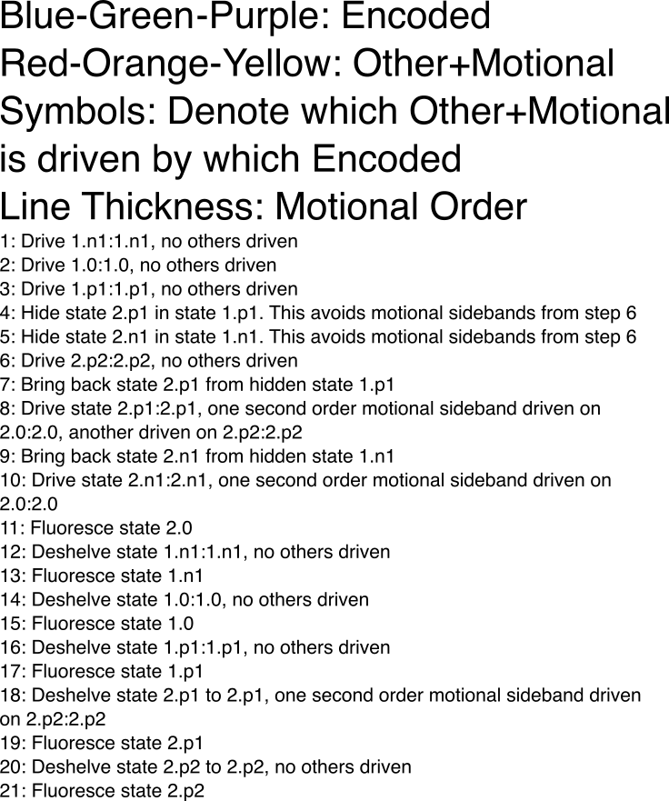
 | TransferID | TransferType | Source | Pulse Shape | Phase
 | 0 | Shelve | 1762nm(EOM) | Square | 0
 | 1 | Deshelve | 1762nm (EOM) | Square | 0
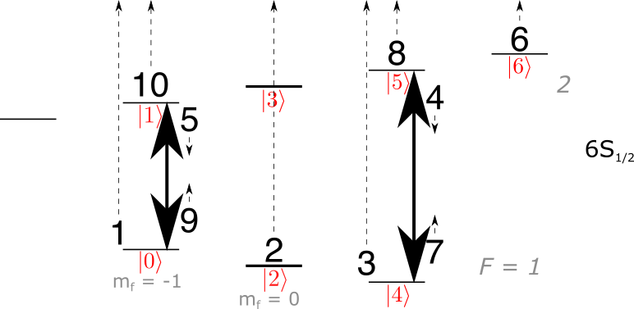
 | 2 | Hide | Microwave (Horn) | Square | 0
 | 3 | Fluoresce | Cooling Lasers |  | 0

Column1 | Column2 | Column3 | Column4 | Column5 | Column6 | Column7 | Column8
Step | TransferID | Fidelity | RabiFreq | SweepRate | FreqInit | FreqFinal | TotalTime
1 | 0 | 0.99882040543 | 30700 | 979469667.07 | 3980750647.5 | 3983350647.5 | 0.001327249
2 | 0 | 0.99884771116 | 31400 | 1020960662.3 | 3998021567.7 | 4000621567.7 | 0.001273311
3 | 0 | 0.9988195992 | 30700 | 979469667.07 | 4014850785.6 | 4017450785.6 | 0.001327249
4 | 2 | 0 | 0 | 0 | 8044335950 | 8044335950 | 0
5 | 2 | 0 | 0 | 0 | 8031164238 | 8031164238 | 0
6 | 0 | 0.99883515374 | 31100 | 1000000000 | 4101345765.2 | 4103945765.2 | 0.0013
7 | 2 | 0 | 0 | 0 | 8044335950 | 8044335950 | 0
8 | 0 | 0.99839081139 | 23100 | 575121707.18 | 4105613075 | 4108213075 | 0.002260391
9 | 2 | 0 | 0 | 0 | 8031164238 | 8031164238 | 0
10 | 0 | 0.99846491249 | 24000 | 616296625.51 | 4113587145.5 | 4116187145.5 | 0.002109374
11 | 3 | 0 | 0 | 0 | 0 | 0 | 3.70E-05
12 | 1 | 0.99882054956 | 30700 | 979469667.07 | 3980750647.5 | 3983350647.5 | 0.001327249
13 | 3 | 0 | 0 | 0 | 0 | 0 | 3.70E-05
14 | 1 | 0.99884800011 | 31400 | 1020960662.3 | 3998021567.7 | 4000621567.7 | 0.001273311
15 | 3 | 0 | 0 | 0 | 0 | 0 | 3.70E-05
16 | 1 | 0.99882829333 | 30900 | 993109181.37 | 4014850785.6 | 4017450785.6 | 0.00130902
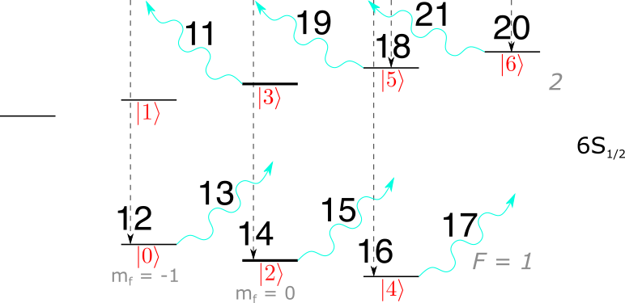
17 | 3 | 0 | 0 | 0 | 0 | 0 | 3.70E-05
18 | 1 | 0.99858763255 | 26000 | 717556091.89 | 4105613075 | 4108213075 | 0.001811705
19 | 3 | 0 | 0 | 0 | 0 | 0 | 3.70E-05
20 | 1 | 0.99884519596 | 31300 | 1013925407.6 | 4101345765.2 | 4103945765.2 | 0.001282146
21 | 3 | 0 | 0 | 0 | 0 | 0 | 3.70E-05

5-Level
Column1 | Column2 | Column3 | Column4 | Column5 | Column52 | Column6 | Column7 | Column8
Step | TransferID | Fidelity | RabiFreq | SweepRate | FreqTrans | FreqInit | FreqFinal | TotalTime | Delta
1 | 0 | 0.99882773258698 | OmegaShelve1 | AlphaShelve1 | 4016150785.6 | FreqTrans - Delta | FreqTrans + Delta | 2*Delta/AlphaShelve1 | 1300000
2 | 0 | 0.99882971046946 | OmegaShelve2 | AlphaShelve2 | 3982050647.5 | FreqTrans - Delta | FreqTrans + Delta | 2*Delta/AlphaShelve2
3 | 2 | 1 | OmegaHide1 | 0 | 8027867256 | 0 | 0 | Pi/OmegaHide1
4 | 0 | 0.99883564341252 | OmegaShelve3 | AlphaShelve3 | 4102645765.2 | FreqTrans - Delta | FreqTrans + Delta | 2*Delta/AlphaShelve3
5 | 0 | 0.9988322949634 | OmegaShelve4 | AlphaShelve4 | 4111019937.1 | FreqTrans - Delta | FreqTrans + Delta | 2*Delta/AlphaShelve4
6 | 3 | 1 | 0 | 0 | 0 | 0 | 0 | 3.7e-05
7 | 1 | 0.99883239561794 | OmegaShelve5 | AlphaShelve5 | 4111019937.1 | FreqTrans - Delta | FreqTrans + Delta | 2*Delta/AlphaShelve5
8 | 3 | 1 | 0 | 0 | 0 | 0 | 0 | 3.7e-05
9 | 1 | 0.99882948368628 | OmegaShelve6 | AlphaShelve6 | 3982050647.5 | FreqTrans - Delta | FreqTrans + Delta | 2*Delta/AlphaShelve6
10 | 3 | 1 | 0 | 0 | 0 | 0 | 0 | 3.7e-05
11 | 1 | 0.99882854571752 | OmegaShelve7 | AlphaShelve7 | 4016150785.6 | FreqTrans - Delta | FreqTrans + Delta | 2*Delta/AlphaShelve7
12 | 3 | 1 | 0 | 0 | 0 | 0 | 0 | 3.7e-05
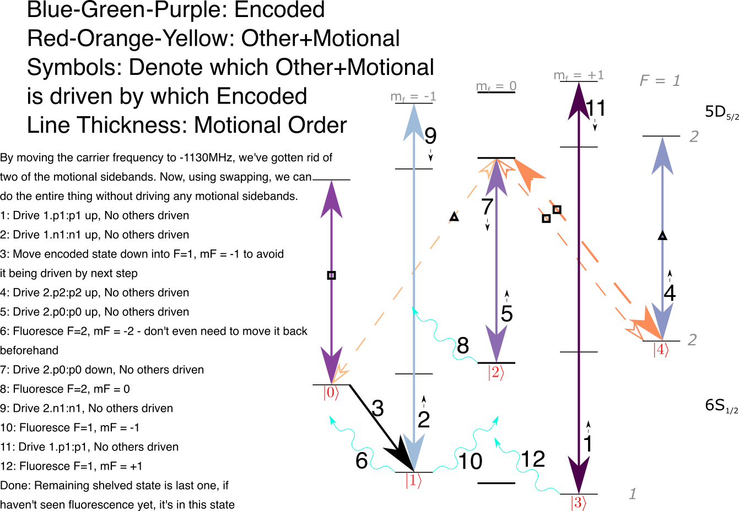

 | TransferID | TransferType | Source | Pulse Shape | Phase
 | 0 | Shelve | 1762nm (EOM) | Square | 0
 | 1 | Deshelve | 1762nm (EOM) | Square | 0
 | 2 | Hide | Microwave (Horn) | Square | 0
 | 3 | Fluoresce | Cooling Lasers |  | 0

Column1 | Column2 | Column3 | Column4 | Column5 | Column6 | Column7 | Column8
Step | TransferID | Fidelity | RabiFreq | SweepRate | FreqInit | FreqFinal | TotalTime
1 | 0 | 0.99882773259 | 30800 | 986265846.13 | 4014850785.6 | 4017450785.6 | 0.001318103
2 | 0 | 0.99882971047 | 30900 | 993109181.37 | 3980750647.5 | 3983350647.5 | 0.00130902
3 | 2 | 0 | 0 | 0 | 8027867256 | 8027867256 | 0
4 | 0 | 0.99883564341 | 31100 | 1000000000 | 4101345765.2 | 4103945765.2 | 0.0013
5 | 0 | 0.99883229496 | 30900 | 993109181.37 | 4109719937.1 | 4112319937.1 | 0.00130902
6 | 3 | 0 | 0 | 0 | 0 | 0 | 3.70E-05
7 | 1 | 0.99883239562 | 30900 | 993109181.37 | 4109719937.1 | 4112319937.1 | 0.00130902
8 | 3 | 0 | 0 | 0 | 0 | 0 | 3.70E-05
9 | 1 | 0.99882948369 | 30900 | 993109181.37 | 3980750647.5 | 3983350647.5 | 0.00130902
10 | 3 | 0 | 0 | 0 | 0 | 0 | 3.70E-05
11 | 1 | 0.99882854572 | 30900 | 993109181.37 | 4014850785.6 | 4017450785.6 | 0.00130902
12 | 3 | 0 | 0 | 0 | 0 | 0 | 3.70E-05

3-Level
Column1 | Column2 | Column3 | Column4 | Column5 | Column52 | Column6 | Column7 | Column8
Step | TransferID | Fidelity | RabiFreq | SweepRate | FreqTrans | FreqInit | FreqFinal | TotalTime
1 | 0 | 0.99884260753763 | OmegaShelve1 | AlphaShelve1 | 4111019937.1 | FreqTrans - Delta | FreqTrans + Delta | 2*Delta/AlphaShelve1 | Delta
2 | 0 | 0.99882794762124 | OmegaShelve2 | AlphaShelve2 | 4016150785.6 | FreqTrans - Delta | FreqTrans + Delta | 2*Delta/AlphaShelve2 | 1300000
3 | 3 | 1 | 0 | 0 | 0 | 0 | 0 | 3.7e-05
4 | 1 | 0.99884293155388 | Omegashelve3 | AlphaShelve3 | 4111019937.1 | FreqTrans - Delta | FreqTrans + Delta | 2*Delta/AlphaShelve3
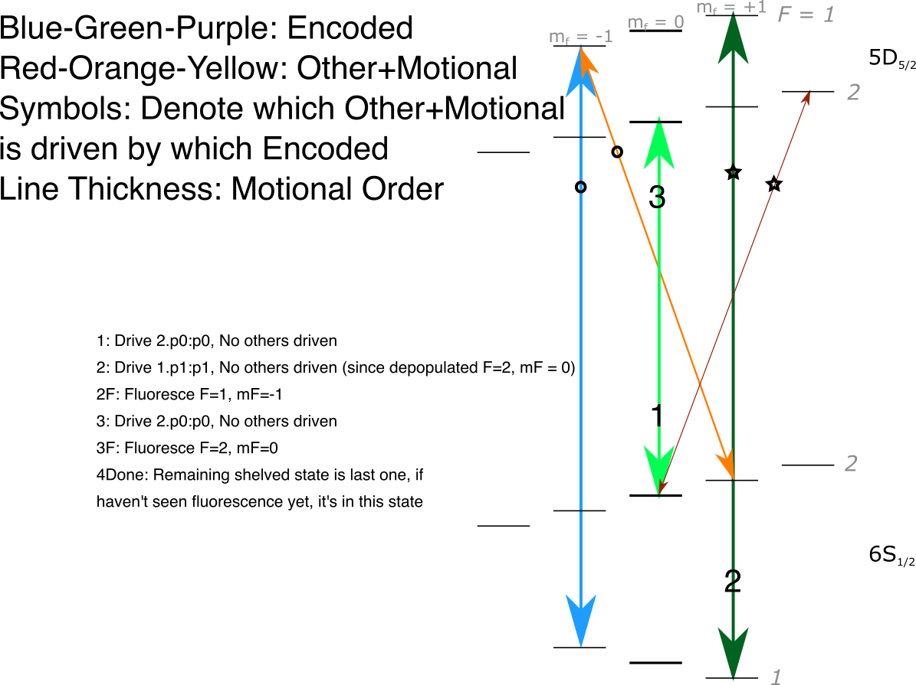
5 | 3 | 1 | 0 | 0 | 0 | 0 | 0 | 3.7e-05

 | TransferID | TransferType | Source | Pulse Shape | Phase
 | 0 | Shelve | 1762nm(EOM) | Square | 0
 | 1 | Deshelve | 1762nm (EOM) | Square | 0
 | 2 | Hide | Microwave (Horn) | Square | 0
 | 3 | Fluoresce | Cooling Lasers |  | 0

Column1 | Column2 | Column3 | Column4 | Column5 | Column6 | Column7 | Column8
Step | TransferID | Fidelity | RabiFreq | SweepRate | FreqInit | FreqFinal | TotalTime
1 | 0 | 0.99884260754 | 31300 | 1013925407.6 | 4109719937.1 | 4112319937.1 | 0.001282146
2 | 0 | 0.99882794762 | 30800 | 986265846.13 | 4014850785.6 | 4017450785.6 | 0.001318103
3 | 3 | 0 | 0 | 0 | 0 | 0 | 3.70E-05
4 | 1 | 0.99884293155 | 31300 | 1013925407.6 | 4109719937.1 | 4112319937.1 | 0.001282146
5 | 3 | 0 | 0 | 0 | 0 | 0 | 3.70E-05

